Read me
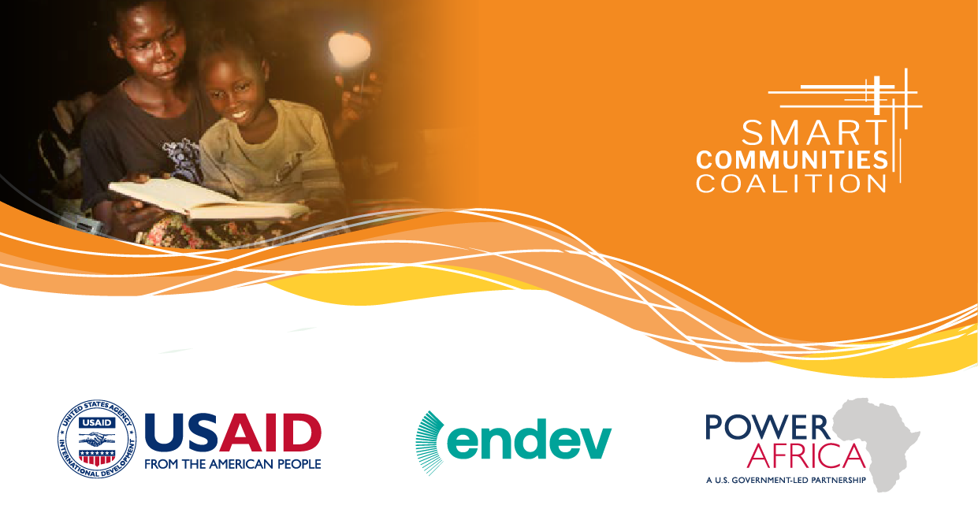

Smart Communities Coalition Innovation Fund
Window I – Call for Proposals – Application Form

The overall objective of the Smart Communities Coalition Innovation Fund (SCCIF), managed by EnDev and co-chaired by Mastercard and USAID, is to enable innovative, sustainable approaches to the delivery of basic services, creating perspectives and economic opportunity for refugees and host communities through access to modern energy services. Through a series of financing windows, the fund aims at improving the framework conditions for private sector companies, social enterprises, microfinance institutions, NGOs and consortiums so that they are enabled to expand their delivery chains and bring innovative solutions to displaced populations including refugee camps, settlements and host communities in refugee-hosting areas.

This application form concerns only the 1st window of the Smart Communities Coalition Innovation Fund: advance commercially sustainable solutions to energy access in Kenya and Uganda.

Please fill in the grey cells only
as well as "Annex A - Contact Form" and "Annex B - Detailed Budget" completly

Sheets and cells are protected by the password "SCCIF 2020" except for "Annex A - Contact Form" and "Annex B - Detailed Budget".

The completed application form (including the three annexes) must be send back no later than Wednesday 30th September at midnight (Central European Time) to sccif@giz.de with the official registration document of the lead applicant in Kenya or Uganda.

