Instructions
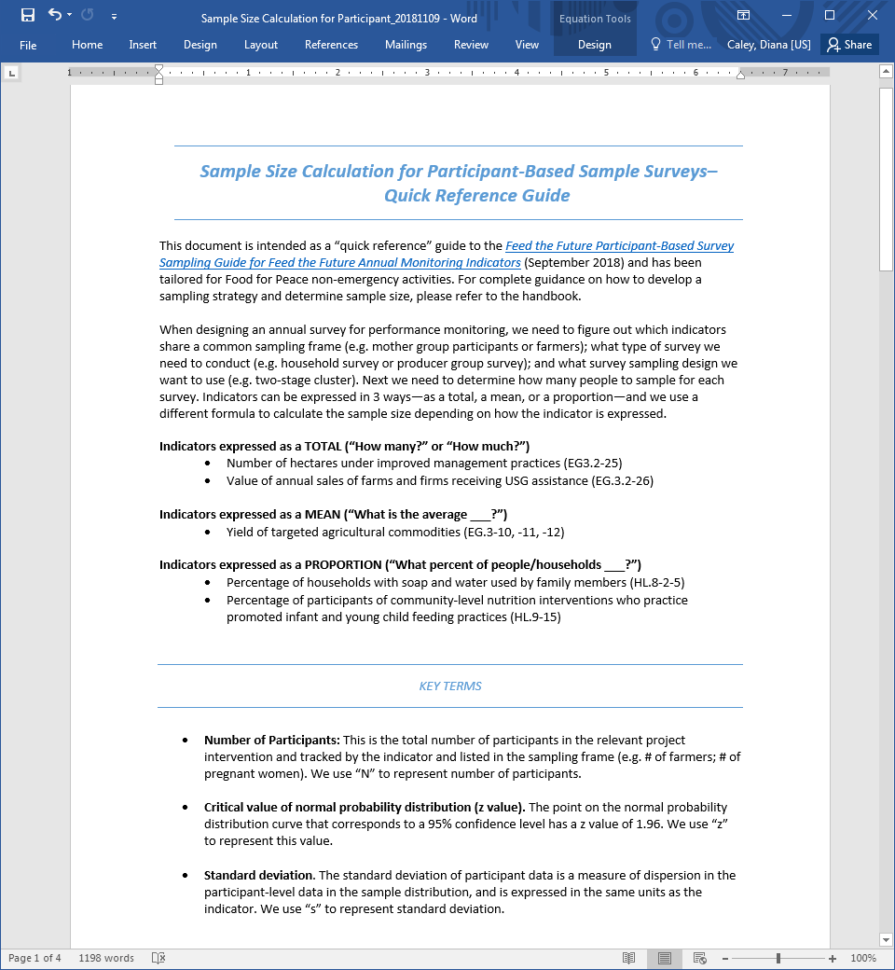
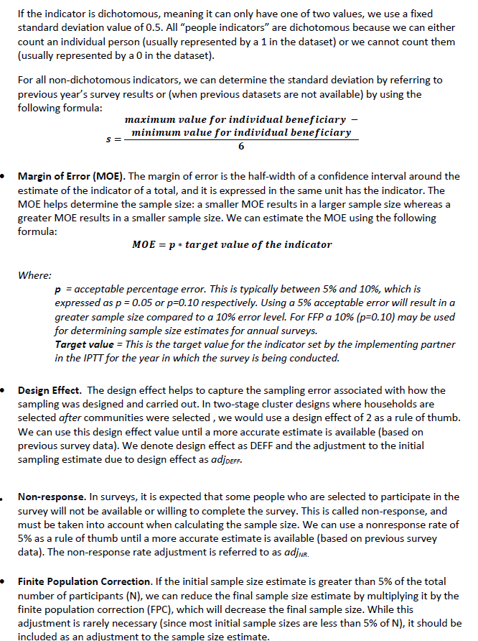
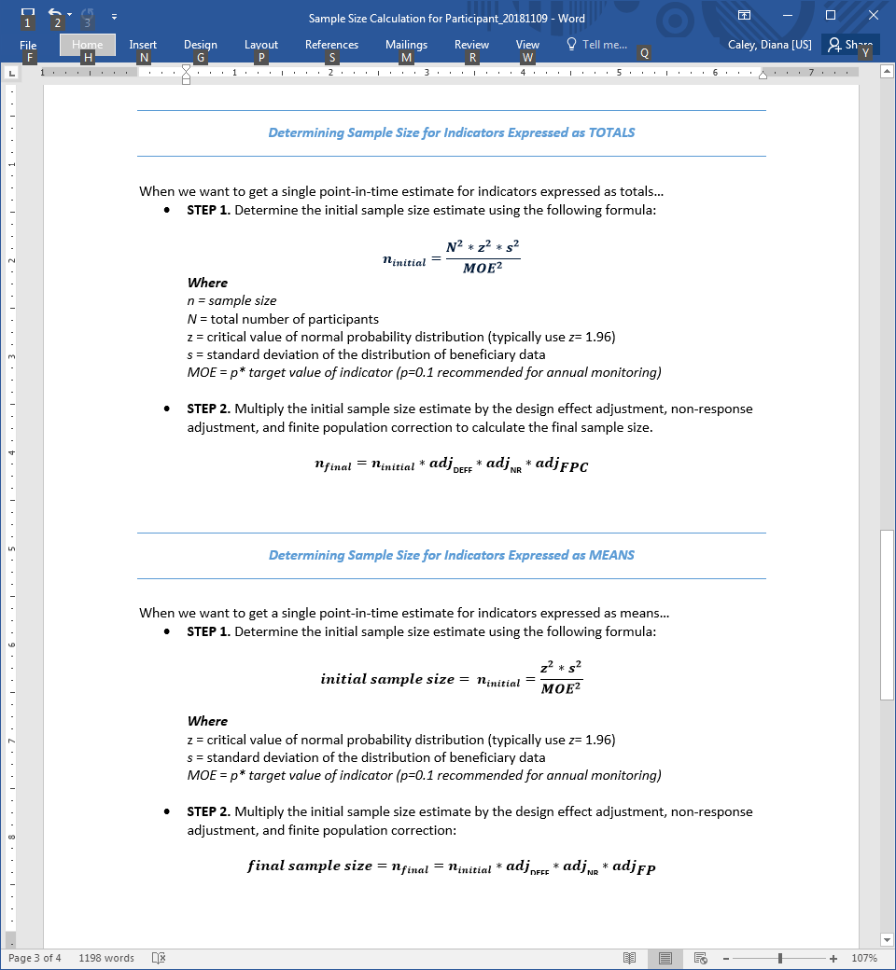
USAID FOOD FOR PEACE MONITORING & EVALUATION LOGICAL FRAMEWORK AND IPTT TEMPLATE (UPDATED MAY 2020)
 | Tab | Description | When to Use

 | LogFrame | The LogFrame outlines the goal, purposes, sub-purposes, intermediate outcomes, and outputs in the TOC; indicators; qualitative monitoring inquiries; qualitative studies; data sources; and assumptions. Qualitative monitoring (QM) and qualitative studies (QS) may be included in this tab. | PRE/POST AWARD (& 2 MONTHS BEFORE "PREP" SUBMISSION)

 | Baseline-Endline | This is the first tab of the IPTT. It includes all of the baseline values and final targets for all BL/EL indicators. If a BL/FE indicator is archived, the data should be retained in this tab and the rows "hidden" and/or highlighted in a distinctive color to indicate that the indicator was archived; then the decision to archive the indicator should be noted on the "Archived Indicator Tracker" tab. | PRE/POST AWARD (& ANNUALLY)

 | Monitoring | This is the second tab of the IPTT. It identifies all of the annual targets, LOA targets, data sources, and other information relevant for annually reported, quantitative monitoring data. If a monitoring indicator is archived, the data should be retained in this tab and the rows "hidden" and/or highlighted in a distinctive color to indicate that the indicator was archived; then the decision to archive the indicator should be noted on the "Archived Indicator Tracker" tab. | PRE/POST AWARD (& ANNUALLY)

 | Archived Indicator Tracker | This is the third tab of the IPTT. It is intended to keep track of indicators that were archived; this may include either BL/EL indicators or monitoring indicators. Note that data should be retained in the "Baselin-Endline" or "Monitoring" tab for archived indicators, and the justification for archiving and data of archiving should be included on this tab. | ANNUALLY AFTER Y1

 | Acronyms | This tab should include a list of all acronyms that are included the M&E Plan materials. Note that an illustrative list of common acronyms is included; it should be updated to reflect acronyms used by the activity. | PRE/POST AWARD (& ANNUALLY)

Instructions on how to use the LogFrame Tab

1. Insert the Goal, Purposes, Sub-Purposes, and other elements of the LogFrame using the FFP Policy Guidance [insert link]. 2. Copy and paste the FFP indicators from the previous tab into the LogFrame. 3. Add additional Mission, Environmental, and custom indicators.

Instructions on how to use the Targets - BL Final Tab

Instructions on how to use the AS Sampling Estimation Tab

